Dashboard
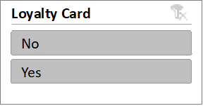
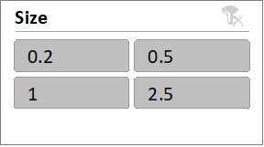
COFFEE SALES DASHBOARD

Top 5 Customers
 | Total
Don Flintiff | 278.01
Nealson Cuttler | 281.675
Terri Farra | 289.11
Brenn Dundredge | 307.045
Allis Wilmore | 317.07
Sales by Country
 | Total
United Kingdom | 2798.505
Ireland | 6696.865
United States | 35638.885
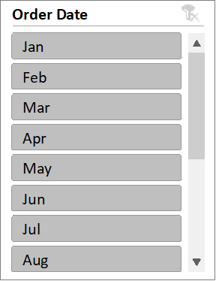

Total sale overtime
 | Arabica | Excelsa | Liberica | Robusta
2019 Jan | 186.855 | 305.97 | 213.16 | 123
2019 Feb | 251.965 | 129.46 | 434.04 | 171.94
2019 Mar | 224.945 | 349.12 | 321.04 | 126.035
2019 Apr | 307.12 | 681.075 | 533.705 | 158.85
2019 May | 53.665 | 83.025 | 193.835 | 68.04
2019 Jun | 163.02 | 678.36 | 171.045 | 372.255
2019 Jul | 345.02 | 273.87 | 184.13 | 201.115
2019 Aug | 334.89 | 70.95 | 134.23 | 166.275
2019 Sep | 178.71 | 166.1 | 439.31 | 492.9
2019 Oct | 301.985 | 153.765 | 215.555 | 213.665
2019 Nov | 312.835 | 63.25 | 350.895 | 96.405
2019 Dec | 265.62 | 526.515 | 187.06 | 210.59
2020 Jan | 47.25 | 65.805 | 274.675 | 179.22
2020 Feb | 745.45 | 428.885 | 194.175 | 429.83
2020 Mar | 130.47 | 271.485 | 281.205 | 231.63
2020 Apr | 27 | 347.26 | 147.51 | 240.04
2020 May | 255.115 | 541.73 | 83.43 | 59.08
2020 Jun | 584.79 | 357.43 | 355.34 | 140.88
2020 Jul | 430.62 | 227.425 | 236.315 | 414.585
2020 Aug | 22.5 | 77.72 | 60.5 | 139.68
2020 Sep | 126.15 | 195.11 | 89.13 | 302.66
2020 Oct | 376.03 | 523.24 | 440.965 | 174.47
2020 Nov | 515.18 | 142.56 | 347.04 | 104.085
2020 Dec | 95.86 | 484.76 | 94.17 | 77.105
2021 Jan | 258.345 | 139.625 | 279.52 | 160.195
2021 Feb | 342.2 | 284.25 | 251.83 | 80.55
2021 Mar | 418.305 | 468.125 | 405.055 | 253.155
2021 Apr | 102.33 | 242.14 | 554.875 | 106.24
2021 May | 234.72 | 133.08 | 267.2 | 272.69
2021 Jun | 430.39 | 136.205 | 209.6 | 88.335
2021 Jul | 109.005 | 393.575 | 61.035 | 199.49
2021 Aug | 287.525 | 288.67 | 125.58 | 374.135
2021 Sep | 840.93 | 409.875 | 171.33 | 221.44
2021 Oct | 299.07 | 260.325 | 584.64 | 256.365
2021 Nov | 323.325 | 565.57 | 537.81 | 189.475
2021 Dec | 399.485 | 148.2 | 388.22 | 212.075
2022 Jan | 112.695 | 166.32 | 843.715 | 146.685
2022 Feb | 114.88 | 133.815 | 91.175 | 53.76
2022 Mar | 277.76 | 175.41 | 462.51 | 399.525
2022 Apr | 197.895 | 289.755 | 88.545 | 200.255
2022 May | 193.115 | 212.495 | 292.29 | 304.47
2022 Jun | 179.79 | 426.2 | 170.09 | 379.31
2022 Jul | 247.29 | 246.685 | 271.055 | 141.7
2022 Aug | 116.395 | 41.25 | 15.54 | 71.06

